Instructions
1 | Complete 1.1 Information Tab and update final date when approved
2 | 1.1 Budget Tab, this tab is self populating and driven by formulae. The only line that need to be completed in this tab is row 46 "Funding Profile"

2.1 | This tab should be completed for the 1st year of the budget only and as budget should be profiled at a minimum on a quarterly basis.
 | Column 'B' ' Budget Heading' - Complete each row for each 'Budget Heading' selecting the budget heading from the dropdown list in column 'B' Suggest to work through each budget heading individualy
 | Column 'C' 'Organisation' - enter the name of the organisation that will provide the service or if contracting staff please enter 'Contractor'
 | Column 'D' Country - Input the country that the goods or servies will be procured in.
 | Column 'E', 'Detailed Decription' - provide a detailed description of the nature of the goods or services being procured. Provide name of sub-contractor or person filling the role if known.
 | Column 'F', 'Purchase Rationale' - why are the goods/services required for the project? This must be completed for items of Capital Expenditure. Provide detail of fee rates and budget assumptions for contractors/ outsourced services
 | Column 'G', 'Job Family' This is only completed if Budget Heading 'Project Staff Costs - Pay' has been selected in column 'B'. Select the role type from the dropdown list. Cell will be highlighted 'Orange' to indicate that input is required.
 | Column 'H', 'Role' This is only completed if Budget Heading 'Project Staff Costs - Pay' has been selected in column 'B'. Cell will be highlighted 'Orange' to indicate that input is required.
 | Column 'I' , 'Travel & Subsistence' This is only completed in Budget Heading ' Project Staff Costs - Travel & Subsistence' has been selected in column 'B'. Cell will be highlighte 'Orange ' to indicate input is required.
 | Column 'J' , 'Amount Local Currency' - If goods or services purchased in local currency input the gross vaue in that currency. Gross cost per item should be quoted. If Salary Costs them input gross monthly/ quarterly salary. If contractor costs input gross day/ hourly rate. Use column ' G', 'Detailed Desctription' to input name of contractor if known and use column 'G' , 'Purchase Rationale' to provide detail of budget assumption/ fee rate used
 | Column 'K', 'Exchange Rate' - enter the exchange rate used to convert local currency to GBP for budget purposes. Exchange rates should be from www.OANDA.com. Complete the Exchange rate table at the top of Columns P:R.
 | Column 'L' calculate the gross amount in GBP using information in columns 'K' and 'L'
 | Column 'M' 'Quantity' - input the quantity based on the budget assumption input in column 'L' and detailed in column 'G'
 | Column 'N' 'Rate' - input the unit cost/rate based on the budget assumption input in column 'L' and detailed in column 'G'
 | Columns "O" to "Z" enter monthly/ quarterly amounts
 | Column 'AA' , 'Total' This cell will automatically populate based on the information input in Columns 'O' and 'P'.

Additional | Items of capital expenditure do need to be itemised and detailed at unit cost level
 | Other Items of a simillar nature can be aggregated and do not have to be detailled at 'unit cost or rate' level
 | There is the option enter the Project Outcome as per the logframe to aid budgeting process. This is an optional function.
 | Check that the Total Check at the end of column 'Q' is zero. If there is a difference then there is an error between what has been entered on tab 2.1 to what is showing on tab 1.2.
 | To insert another row in "2.1 Budget Detail YR1" copy the row above and select insert copied cells
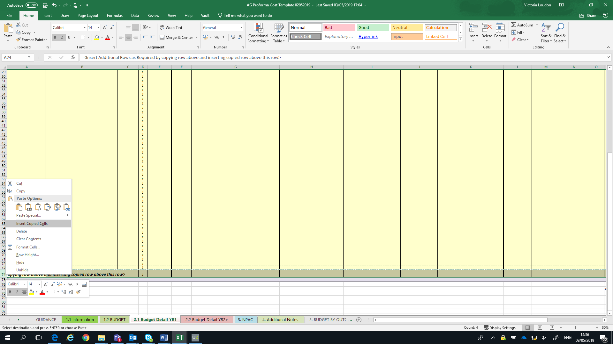

2.2 | This tab should be completed for the 2nd year onwards of the budget only and s budget should be profiled at a minimum on a annual basis.
 | Column 'B' ' Budget Heading' - Complete each row for each 'Budget Heading' selecting the budget heading from the dropdown list in column 'B' Suggest to work through each budget heading individualy
 | Column 'C' 'Organisation' - enter the name of the organisation that will provide the service or if contracting staff please enter 'Contractor'
 | Column 'D' Country - Input the country that the goods or servies will be procured in.
 | Column 'E', 'Detailed Decription' - provide a detailed description of the nature of the goods or services being procured. Provide name of sub-contractor or person filling the role if known.
 | Column 'F', 'Purchase Rationale' - why are the goods/services required for the project? This must be completed for items of Capital Expenditure. Provide detail of fee rates and budget assumptions for contractors/ outsourced services
 | Column 'G', 'Job Family' This is only completed if Budget Heading 'Project Staff Costs - Pay' has been selected in column 'B'. Select the role type from the dropdown list. Cell will be highlighted 'Orange' to indicate that input is required.
 | Column 'H', 'Role' This is only completed if Budget Heading 'Project Staff Costs - Pay' has been selected in column 'B'. Cell will be highlighted 'Orange' to indicate that input is required.
 | Column 'I' , 'Travel & Subsistence' This is only completed in Budget Heading ' Project Staff Costs - Travel & Subsistence' has been selected in column 'B'. Cell will be highlighte 'Orange ' to indicate input is required.
 | Column 'J' , 'Amount Local Currency' - If goods or services purchased in local currency input the gross vaue in that currency. Gross cost per item should be quoted. If Salary Costs them input gross monthly/ quarterly salary. If contractor costs input gross day/ hourly rate. Use column ' G', 'Detailed Desctription' to input name of contractor if known and use column 'G' , 'Purchase Rationale' to provide detail of budget assumption/ fee rate used
 | Column 'K', 'Exchange Rate' - enter the exchange rate used to convert local currency to GBP for budget purposes. Exchange rates should be from www.OANDA.com . Complete the Exhange Rate table at top of colums P:R
 | Column 'L' calculate the gross amount in GBP using information in columns 'K' and 'L'
 | Column 'M' 'Quantity' - input the quantity based on the budget assumption input in column 'L' and detailed in column 'G'
 | Column 'N' '/Rate' - input the unit cost/rate based on the budget assumption input in column 'L' and detailed in column 'G'
 | Columns "O" to "R" inplu the total amounts per year
 | Column 'S' , 'Total' This cell will automatically populate based on the information input in Columns 'O' to 'R'.

Additional | Items of capital expenditure do need to be itemised and detailed at unit cost level
 | Other Items of a simillar nature can be aggregated and do not have to be detailled at 'unit cost or rate' level
 | There is the option enter the Project Outcome as per the logframe to aid budgeting process. This is an optional function.
 | Check that the Total Check at the end of column 'Q' is zero. If there is a difference then there is an error between what has been entered on tab 2.1 to what is showing on tab 1.2.
 | To insert another row in "2.1 Budget Detail YR2" copy the row above and select insert copied cells as per above.

3 | NPAC
 | Complete as per Guidance

4 | Additional Notes
 | To include any clarification that would be helpful interpreting the Budgeted figures

5 | Budget by Outcome
 | This tab is only for use if you are completing tabs 2.1 (columns 'AB' and 'AC') and 2.2 (Columns 'T'and 'U') with the Project Outcomes that the budget relates to.
 | you can refresh the piviot tables by right clicking on each pivot table and select 'Refresh' and this will automatically populate with the information in tabs 2.1 and 2.2

